Brake Calc
Brake Calculation - Origin 2022
 |  |  |  | Requirement Check
 |  | Unit | Description | Theoretical Deceleration | 5.892662341 | m/s^2
v | 60 | km/h | As per ASC regulations, the car should come to a stop from 50 km/h. We have chosen 60km/s for buffer | ASC Requirement | 4.72 | m/s^2
m | 570 | kg | Mass of Vehicle | Difference | 1.172662341
CGf | 1.47 | m | Distance between front axle to CG | Saf
CGr | 1.47 | m | Distance between rear axle to CG
WB | 2.94 | m | Distance between front axle to rear axle
hcg | 0.5775 | m | Height of centre of gravity |  |  |  | 1.2484454112
Vt | 4900 | N | Weight of Vehicle
µbp | 0.4 | - | This is an Assumption, Average ranges between 0.3-0.5. Therefore 0.4 was chosen.
µpeak | 0.6 | -

Break Pedal Force(Fbp)
Fd | 130 | . | The force applied to the pedal pad by the driver
l2/l1 | 6 | - | Pedal Ratio
Fbp | 780 | N | The force output of the brake pedal assembly
 |  |  |  | 3138.2688925

Master Cylinder Pressure(Pmc)
MC Bore | 1 | inch
Amc | 0.00050670950593 | m^2 | Effective area of the master cylinder
Pmc | 1539343.5309 | Pa | The hydraulic pressure generated by the master cylinder

Force Generated by caliper pistons
Acal | 0.001019353 | m^2
Pcal | 1539343.5309 | Pa | The hydraulic pressure transmitted to the calliper
Fcal | 1569.1344462 | N | The one-sided linear mechanical force generated by the caliper

Caliper Clamp Load
Fcl | 3138.2688925 | N | The clamp force generated by the caliper

Force on dics by brake pads
Ffriction | 1255.307557 | N | The frictional force generated by the brake pads opposing the rotation of the

Torque of rotor
Reff (front) | 0.154813 | m | the effective radius (effective moment arm) of the rotor (measured from the rotor centre of rotation to the centre of pressure of the caliper pistons)
Tr(front) | 194.33792882 | N*m | The torque generated by the rotor
Reff(rear) | 0.185 | m
Tr(rear) | 232.23189804 | N*m

Force on a tire
Rt | 0.254 | m
Ftire(front) | 765.10995599 | N | the combined front tire braking forces
Ftire(rear) | 914.2988112 | N | the combined rear tire braking forces
Total force | 3358.8175344 | N

Kinetic energy of the vehicle
KE | 79166.666667 | J

Stopping Distance
ds | 23.620559335 | m

Deceleration
av | -5.88 | m/s^2

Axle vertical force
Vr | 2450 | N | the rear axle vertical force (weight)
Vf | 2450 | N | the front axle vertical force (weight)

Dynamics absolute weight transferred
WT | 577.5 | N | the absolute weight transferred from the rear axle to the front axle

Dynamic Vertical Force
Front Axle
Vf,d | 3027.5 | N | the front axle dynamic vertical force for a given deceleration
Rear Axle
Vr,d | 1872.5 | N | the rear axle dynamic vertical force for a given deceleration

Effect of weight transfer on Tire Output
Front Tire |  |  | Ftires,f = the combined front tire braking forces Ftires,r = the combined rear tire braking forces
Ftire,f | 1470 | N
Ftires,f = the combined front tire braking forces
Ftires,r = the combined rear tire braking forces
Rear tire
Ftire,r | 1470 | N

Maximum Braking Force Produced by axle
Front Tire
Ftire,f | 1816.5 | N
Rear tire
Ftire,r | 1123.5 | N

Braking Efficiency
Ƞ | 60.129207561 | -

 |  | 4mm

Use

0.70414432204

Parking Brake Calc
Brake Calculation - Origin 2022

 |  | Unit | Description
v | 60 | km/h | As per ASC regulations, the car should come to a stop from 50 km/h. We have chosen 60km/s for buffer
m | 657.2 | kg | Mass of Vehicle
CGf | 1.47 | m | Distance between front axle to CG
CGr | 1.47 | m | Distance between rear axle to CG
WB | 2.94 | m | Distance between front axle to rear axle
hcg | 0.5775 | m | Height of centre of gravity
Vt | 4900 | N | Weight of Vehicle
µbp | 0.4 | - | This is an Assumption, Average ranges between 0.3-0.5. Therefore 0.4 was chosen.
µpeak | 0.6 | -
radius of rotor | 0.1397 | m

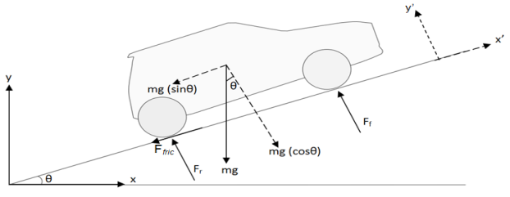
Torque Required

As per ASC regulations, the parking brake shall be able to hold the car in place without wheel chocks on dry pavement under either a forward or rearward force equal to 10% of the cars weight in fully loaded condition.

We will be assuming a 30 degree gradient as a saftey factor.

Total Force required required | 644.056
 | 1288.112
We will be implementing two parking brakes on the two rear rotors.
Each rotor need to widthstand half of the total force required.

Force per wheel | 322.028
Torque per wheel | 44.9873116

Clamping force

Coefficient of friction between brake rotor and friction pad | 0.4
Clamping force | 805.07

Diameter of caliper bore
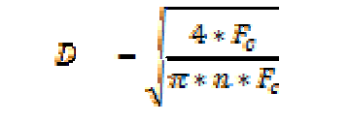
Number of piston | 2
Diameter | 1.6876479924
Area | 2.2358022607

Fake BoM
Bill of Materials - Braking
Location | Part Name | Part Image | Part Code | Qty/Unit | Unit Cost | MOQ | Total Quantity Needed | Total Cost(with MOQ) | Total Cost(with QTY need) | Quote Reference
1 on each front rotor | Aero4-DS Radial Mount |  | Caliper No: 120-15598-BK | 1 | $634.02 | 1 | 2 | $634.02 | $1,268.04 | Link
1 on each rear rotor | Dynapro Single |  | Caliper No: 120-9689-LP | 1 | $148.92 | 1 | 2 | $148.92 | $297.84 | Link
1 on each rear rotor | MC5 Mechanical |  | Caliper No: 120-16362 | 1 | $225.16 | 1 | 2 | $225.16 | $450.32 | Link
Location yet to be determined | Compact Remote Flange Mount Master Cylinder | 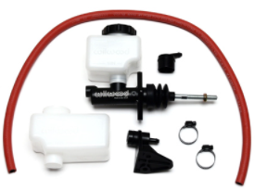 | 260-10375 | 1 | $104.70 | 1 | 2 | $104.70 | $209.40 | Link
Floor of the drivers seat | Swing Mount Brake Pedal |  | 340-13837 | 1 | $204.38 | 1 | 1 | $204.38 | $204.38 | Link
1 on each front wheel | SRP Drilled Performance Rotor & Hat | 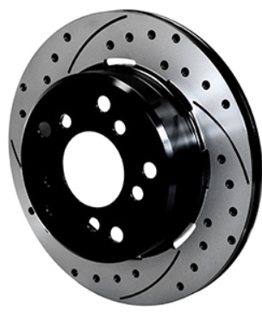 | 160-13336-BK | 1 | $370.67 | 1 | 2 | $370.67 | $741.34 | Link
2 per each front wheel | PolyMatrix E Street Performance/ Racing Pads | 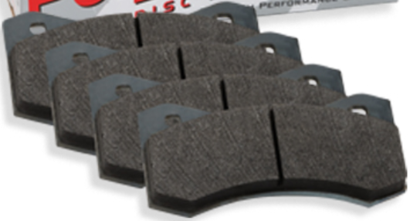 | 15E-12604K | 4 | $44.52 | 4 | 4 | $178.08 | $178.08 | Link
2 per each rear wheel | PolyMatrix E Street Performance / Racing Pads | 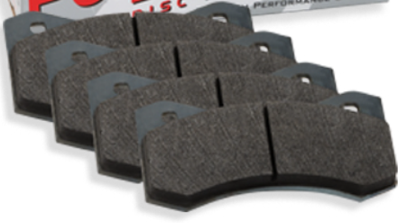 | 15E-9820K | 4 | $24.08 | 4 | 4 | $96.30 | $96.30 | Link
2 per each rear wheel | Sintered Metallic Power Sports / Industrial Pads |  | 150-7646K | 4 | $15.51 | 4 | 4 | $62.02 | $62.02 | Link
Total Cost |  |  |  |  |  |  |  |  | $3,445.70

Sheet4
D | E | B
10 | 5.84 | 3.61
10.25 | 5.96 | 3.71
10.5 | 6.07 | 3.82
11 | 6.31 | 4.04
11.75 | 6.66 | 4.38
12.19 | 6.87 | 4.58
12.88 | 7.192124 | 4.8829
13 | 7.2485 | 4.9363
13.25 |  | 5.04755
13.5 |  | 5.1588
14 |  | 5.3813

Sheet2
10 | 3.48
10.25 | 3.59
10.5 | 3.7
11 | 3.93
11.75 | 4.28
12.19 | 4.48

